Metrics and Plots
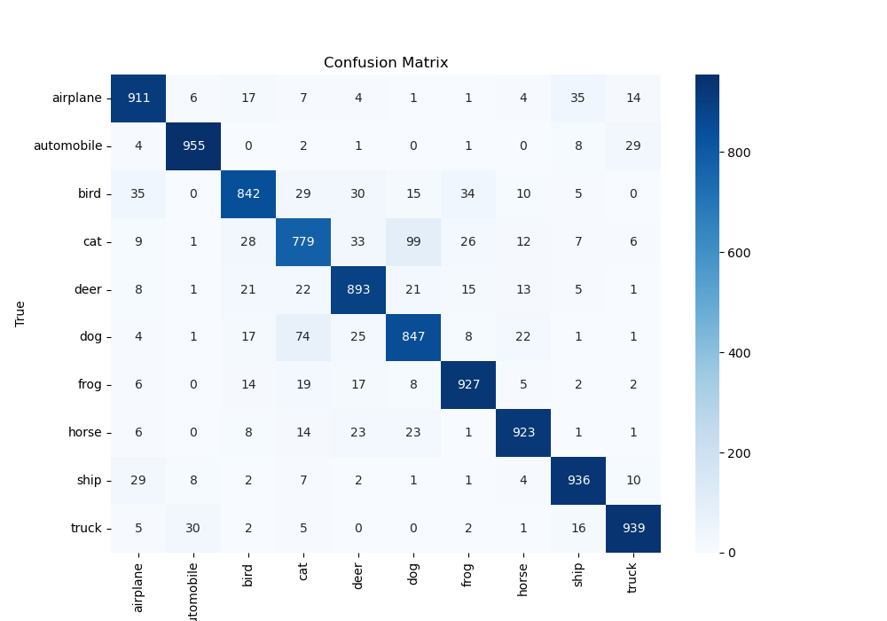
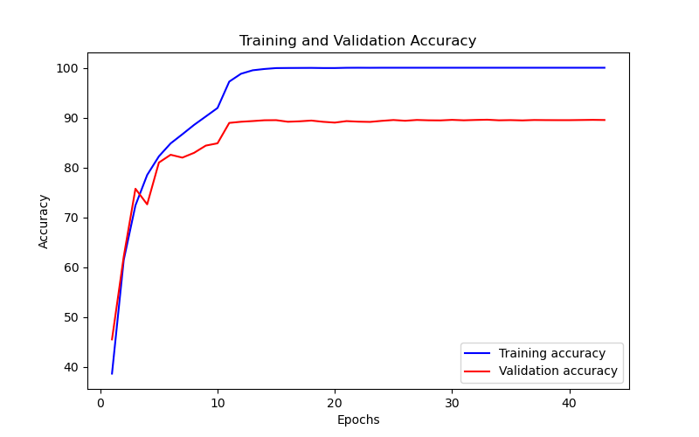
Epoch | Train Accuracy | Train Loss | Validation Accuracy | Validation Loss
1 | 38.67 | 1.317 | 45.53 | 1.544
2 | 61.45 | 0.947 | 62.12 | 1.104
3 | 72.4 | 0.71 | 75.74 | 0.705
4 | 78.5 | 0.566 | 72.61 | 0.829
5 | 82.24 | 0.524 | 80.99 | 0.558
6 | 84.83 | 0.422 | 82.55 | 0.523
7 | 86.66 | 0.388 | 81.98 | 0.523
8 | 88.54 | 0.355 | 82.94 | 0.497
9 | 90.23 | 0.305 | 84.39 | 0.481
10 | 91.93 | 0.244 | 84.85 | 0.477
11 | 97.22 | 0.072 | 88.94 | 0.353
12 | 98.79 | 0.043 | 89.17 | 0.357
13 | 99.49 | 0.029 | 89.31 | 0.376
14 | 99.75 | 0.017 | 89.47 | 0.389
15 | 99.93 | 0.01 | 89.49 | 0.416
16 | 99.95 | 0.007 | 89.17 | 0.445
17 | 99.96 | 0.006 | 89.26 | 0.469
18 | 99.97 | 0.004 | 89.41 | 0.48
19 | 99.94 | 0.005 | 89.16 | 0.499
20 | 99.94 | 0.003 | 89 | 0.511
21 | 99.99 | 0.001 | 89.3 | 0.504
22 | 100 | 0.001 | 89.19 | 0.506
23 | 99.99 | 0.001 | 89.14 | 0.502
24 | 100 | 0.002 | 89.35 | 0.508
25 | 100 | 0.001 | 89.52 | 0.507
26 | 100 | 0.001 | 89.37 | 0.509
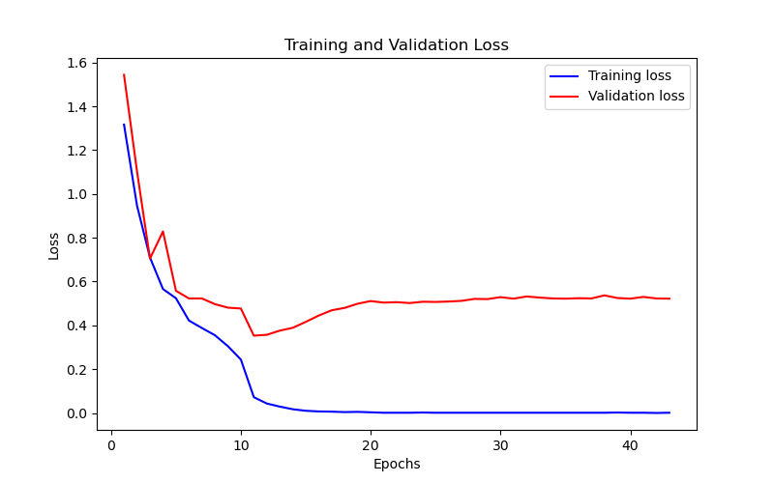
27 | 100 | 0.001 | 89.53 | 0.512
28 | 100 | 0.001 | 89.46 | 0.521
29 | 100 | 0.001 | 89.44 | 0.52
30 | 100 | 0.001 | 89.55 | 0.529
31 | 100 | 0.001 | 89.46 | 0.522
32 | 100 | 0.001 | 89.53 | 0.532
33 | 100 | 0.001 | 89.58 | 0.527
34 | 100 | 0.001 | 89.46 | 0.523
35 | 100 | 0.001 | 89.5 | 0.522
36 | 100 | 0.001 | 89.44 | 0.524
37 | 100 | 0.001 | 89.52 | 0.523
38 | 100 | 0.001 | 89.5 | 0.537
39 | 100 | 0.002 | 89.49 | 0.525
40 | 100 | 0.001 | 89.49 | 0.522
41 | 100 | 0.001 | 89.52 | 0.53
42 | 100 | 0 | 89.55 | 0.523
43 | 100 | 0.001 | 89.52 | 0.522

